2025 Hutchinson CCR Final
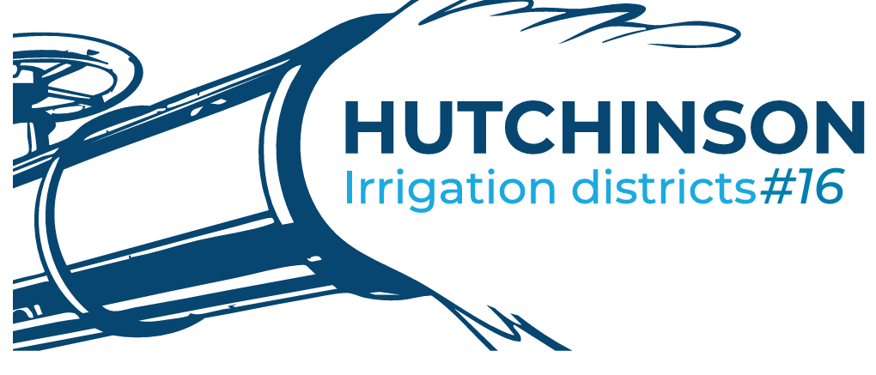
Hutchinson Irrigation District #16
Annual Drinking Water Quality Report 2025
Mandatory Health-Related Standards Are Established by the Washington State Department of Health

Our system experienced three monitoring violations during the reporting period. For each occurrence, we worked directly with the Washington State Department of Health to ensure all corrective actions were completed in accordance with state guidelines. At no time was the safety of the water compromised, and the system remained in compliance throughout the process.
The area where these violations occurred has undergone one Level 1 assessment and two separate Level 2 assessments. Each assessment involved multiple members of the district working collaboratively to identify potential hazards, evaluate system vulnerabilities, and implement corrective measures.
The district extends its appreciation to everyone who participated in these assessments and to those who assisted in developing and carrying out the solutions. Your efforts helped strengthen the system and support the continued delivery of safe drinking water to our customers.
 |  |  |  |  |  |  | Likely Source of Contamination
Coliform Monitoring | Goal | tests taken | Results | Frequency | date sampled | next sample date
Total Coliform Bactria | 0 | 48 | 3 positive samples | three per month | Monthly | Monthly | Total coliform bacteria are commonly found in the environment (e.g., soil or vegetation) and are generally harmless. If only total coliform bacteria are detected in drinking water, the source is probably environmental. Fecal contamination is not likely. However, if environmental contamination can enter the system, there may also be a way for pathogens to enter the system. Therefore, it is important to find the source and resolve the problem.

Water conservation is important.
Limit yard Watering to 45 minutes per station or less! This will help conserve water and prevent waste!!
All irrigation systems must have a backflow device on them, these devices must be inspected and tested annually by end of june and sent to the hutchinson district office.
Visit www.epa.gov/watersense for more information
From Your Water Utility Hutchinson Irrigation District #16
N. 618 Sargent Rd
Spokane, WA 99212
ph:509-926-4634
Ray with HRC is the disrtict BAT tester for the next two years, the cost to be tested is $40.00 and will be added to the water assessment for that year. If you do not wish to be tested please contatct the office, or if you woiuld like to be added to the test schedyule please contact us as well.
. Contact Person: Nathaniel Kennicutt service@hutchinsonid16.org 509-926-4634 Regular Scheduled Board Meetings are held every second Monday of the month at 7:00. p.m.
Fecal Coliform and E. Coli |  |  | ND | three per month | Monthly | Monthly | Fecal coliform bacteria are a sub-group of total coliform bacteria. They appear in great quantities in the intestines and feces of people and animals. The presence of fecal coliform in a drinking water sample often indicates recent fecal contamination, meaning that there is a greater risk that pathogens are present than if only total coliform bacteria is detected. E. coli is a sub-group of the fecal coliform group. Most E. coli bacteria are harmless and are found in great quantities in the intestines of people and warm-blooded animals. Some strains, however, can cause illness. The presence of E. coli in a drinking water sample almost always indicates recent fecal contamination, meaning there is a greater risk that pathogens are present. E. coli are bacteria whose presence indicates that the water may be contaminated with human or animal wastes. Human pathogens in these wastes can cause short-term effects, such as diarrhea, cramps, nausea, headaches, or other symptoms. They may pose a greater health risk for infants, young children, the elderly, and people with severely compromised immune systems.

We at Modern Electric Water Company work around the clock to provide top quality water to every tap. We ask all our customers to help us protect our water sources, which are the heart of our community, our way of life and our children’s future.
Source Monitoring
Complete Inorganic (IOC) | MCL=0.3 mg/L | 1 | ND | 9-year | 2025-10-07 |  | Inorganic contaminants, such as salts and metals, which can occur naturally
Arsenic | MCL=0.01 mg/L | 1 | 0.00206 mg/L | 9-year | 2025-10-07 |  | Erosion of natural deposits; Runoff from orchards; Runoff from glass and electronics production wastes. While your drinking water meets EPA's standard for arsenic, it does contain low levels of arsenic. EPA's standard balances the current understanding of arsenic's possible health effects against the costs of removing arsenic from drinking water. EPA continues to research the health effects of low levels of arsenic which is a mineral known to cause cancer in humans at high concentrations and is linked to other health effects such as skin damage and circulatory problems.
Barium | MCL=2mg/L | 1 | 0.0139 mg/L | 9-year | 2025-10-07 |  | Discharge of drilling wastes; Discharge from metal refineries; Erosion of natural deposits
Nitrite | MCL=10 mg/L | 1 | 0.582 mg/L | 9-year | 2025-10-07 |  | Nitrate in drinking water at levels above 10 ppm is a health risk for infants of less than six months of age. High nitrate levels in drinking water can cause blue baby syndrome. Nitrate levels may rise quickly for short periods of time because of rainfall or agricultural activity. If you are caring for an infant, you should ask for advice from your health care provider.
Floride | MCL=4 mg/L | 1 | 0.12 mg/L | 9-year | 2025-10-07 |  | Erosion of natural deposits; Water additive which promotes strong teeth; Discharge from fertilizer and aluminum factories
Volatile Organics (VOC) |  |  |  | 6-year | 2022-10-18 | Oct-28
PFAS | MCL=0 | 1 | ND | initial-quartely | 2023-08-21 | Feb-26
Distribution Monitoring
Lead | MCLG=0.0mg/L | 12 | ND | 3-year | 2024-07-18 | Jul-27 | Corrosion of household plumbing systems; Erosion of natural deposits
Copper | MCLG=1.3 mg/L | 12 | 0.01 mg/L | 3-year | 2024-07-18 | Jul-27 | Corrosion of household plumbing systems; Erosion of natural deposits
 |  |  |  |  |  |  | Lead can cause serious health problems, especially for pregnant women and young children. Lead in drinking water is primarily from materials and components associated with service lines and home plumbing. Hutchinson Irrigations is responsible for providing high quality drinking water and removing lead pipes, but cannot control the variety of materials used in plumbing components in your home. You share the responsibility for protecting yourself and your family from the lead in your home plumbing. You can take responsibility by identifying and removing lead materials within your home plumbing and taking steps to reduce your family’s risk. Before drinking tap water, flush your pipes for several minutes by running your tap, taking a shower, doing laundry or a load of dishes. You can also use a filter certified by an American National Standards Institute accredited certifier to reduce lead in drinking water. If you are concerned about lead in your water and wish to have your water tested, contact Hutchinson Irrigation (Public Watersystem Id:35100J) by calling 509-926-4634or emailing service@hutchinsonid16.org Information on lead in drinking water, testing methods, and steps you can take to minimize exposure is available at http://www.epa.gov/safewater/lead.

Maximum Contaminant Level or MCL: The highest level of a contaminant that is allowed in drinking water. MCLs are set as close to the MCLGs as feasible using the best available treatment technology.
Maximum Contaminant Level Goal or MCLG: The level of a contaminant in drinking water below which there is no known or expected risk to health. MCLGs allow for a margin of safety.
Drinking Water Source: Hutchinson Irrigation District #16 PWS# 35100J water comes from 2 separate wells at 618 N Sargent Rd. and is pumped from the Spokane Valley- Rathdrum Prairie Aquifer.
Abbreviations
ND= Not Detected
ppm = parts per million
ppb = parts per billion
Level 1 Assessment: A Level 1 assessment is a study of the water system to identify potential problems and determine (if possible) why total coliform bacteria have been found in our water system. Level 2 Assessment: A Level 2 assessment is a very detailed study of the water system to identify potential problems and determine (if possible) why an E. coli MCL violation has occurred and/or why total coliform bacteria have been found in our water system on multiple occasions.
pCi/L = picocuries per liter (a measure of radioactivity)
AL = Action Level - concentrations of a constituent which, if exceeded, triggers treatment or other requirements
Treatment Technique (TT): A required process intended to reduce the level of a contaminant in drinking water.
mg/L= milligrams per liter
SRL=State reporting level
State Action Level (SAL): The concentration of a contaminant established to protect public health prior to the establishment of an MCL, which req
uired public notification within 30 days of learning of an exceedance.
Action Level: The concentration of a contaminant which, if exceeded, triggers treatment or other requirements that a water system must follow.

As you can see by the table, our system had no violations above the allowed Maximum Contaminant Levels. We're proud that your drinking water meets or exceeds all Federal and State requirements.

This is where you would put number of sites (homes) which exceeded exceed the 90th percentile value calculated for your system.
YOUR TAP WATER
IT'S SAFE TO DRINK!
We at Modern Electric Water Company work around the clock to provide top quality water to every tap. We ask all our customers to help us protect our water sources, which are the heart of our community, our way of life and our children’s future.
Infants and young children are typically more vulnerable to lead in drinking water than the general population. It is possible that lead levels at your home may be higher than at other homes in the community as a result of materials used in your home's plumbing. If you are concerned about elevated lead levels in your home's water, you may wish to have your water tested and flush your tap for 30 seconds to 2 minutes before using tap water. Additional information is available from the Safe Drinking Water Hotline 1-800-426-4791
Nitrate in drinking water at levels above 10 ppm is a health risk for infants less than six months of age. High nitrate levels in drinking water can cause blue baby syndrome. Nitrate levels may rise quickly for short periods of time because of rainfall or agricultural activity. If you are caring for an infant you should ask advice from your health care provider.
EPA is reviewing the drinking water standard for arsenic because of special concerns that it may not be stringent enough. Arsenic is a naturally-occurring mineral known to cause cancer in humans at high concentrations.

For systems collecting fewer than 40 samples per month, you report the highest monthly number of positive samples during the report year.
For systems collecting at least 40 samples per month, report the highest monthly percentage of positive samples.

Maximum Contaminant Level or MCL:The highest level of a contaminant that is allowed in drinking water.
MCL's are set at very stringent levels. To understand the possible health effects described from the many regulated constituents, a person would have to drink 2 liters of water every day at the MCL level for a lifetime to have a one-in-a-million chance of having the described health effect.

Maximum Contaminant Level Goal or MCLG:The level of a contaminant in drinking water below which there is no known or expected risk to health.

Treatment Technique or TT: A required process intended to reduce the level of a contaminant in drinking water.
If systems detected lead above the action level in more than 5%, but fewer then 10% of homes sampled the following must be included in the report unless modified in consult with DOH.
Systems which Detect nitrates above 5 mg/l (ppm), but below the MCL of 10 ppm, the following is REQUIRED to be displayed in the CCR
Systems which detect Arsenic above 25 ppb, but below the MCL, the following statement must be included in the report, unless it is modified in consultation with DOH

Federal Action Level:The concentration of a contaminant which, if exceeded, triggers treatment or other requirements which a water system must follow.

The table shows that our system uncovered some problems this past year. The duration of the violation was …….the potential adverse health effects are…….We (have corrected/are correcting) this by…..
As you can see by the table, our system had no violations. We're proud that your drinking water meets or exceeds all Federal and State requirements. We have learned through our monitoring and testing that some constituents have been detected . The EPA has determined that your water IS SAFE at these levels
We at XYZ Water Company work around the clock to provide top quality water to every tap. We ask all our customers to help us protect our water sources, which are the heart of our community, our way of life and our children's future.

If you had a water quality violation, you must state such event occurred in the CCR and identify what the duration of the problem was, what the health effects are, and what you are doing to correct the problem. Refer to Appendix C (a seperate spreadsheet) for proper health effect verbage.

This information can be added to the CCR table if you chose to include it.

This text box can be added if you desire

